Grace Period Logics
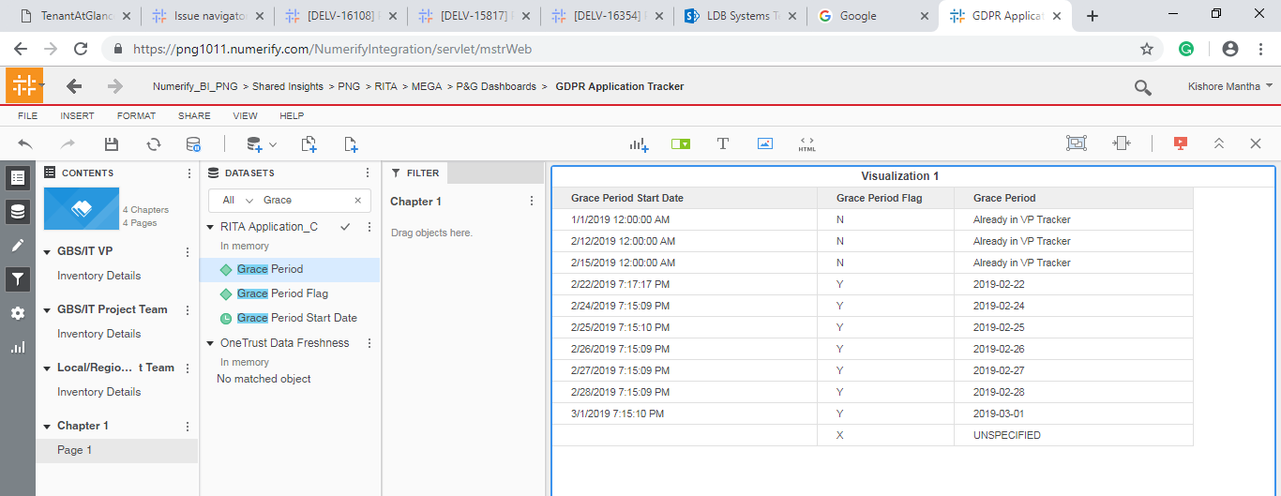
S No | Grace Period Start Date | Grace Period | Grace Period Flag
1 | If the Applications meets the Criteria then Date will be stamed | Y' if applicable , 'X' is Not applicable | Grace Period Start Date +14 Days is Already in VP Tracker

